Feuil1
1 | 39406/10/1 | Sortie | AE0066.01 | 9870 | ASCIE1 | 1000
3 | 39406/10/2 | Sortie | AE0066.01 | 9870 | ASCIE1 | 1000
5 | 39406/10/3 | Sortie | AE0066.01 | 9870 | ASCIE1 | 1000
7 | 39406/10/4 | Sortie | AE0066.01 | 9870 | ASCIE1 | 1000
2 | 39406/10/5 | Sortie | AE0066.02 | 9870 | ASCIE1 | 1000
4 | 39406/10/6 | Sortie | AE0066.02 | 9870 | ASCIE1 | 1000
6 | 39406/10/7 | Sortie | AE0066.02 | 9870 | ASCIE1 | 1000
8 | 39406/10/8 | Sortie | AE0066.02 | 9870 | ASCIE1 | 1000
 |  |  |  |  |  | 8000

1 | 39406/10/1 | Entree | AE0110 | 9871 | ATONSCIU | 1000
3 | 39406/10/2 | Entree | AE0110 | 9871 | ATONSCIU | 1000
5 | 39406/10/3 | Entree | AE0110 | 9871 | ATONSCIU | 1000
7 | 39406/10/4 | Entree | AE0110 | 9871 | ATONSCIU | 1000
9 | 39406/10/5 | Entree | AE0110 | 9872 | ATONSCIU | 1000
11 | 39406/10/6 | Entree | AE0110 | 9872 | ATONSCIU | 1000
13 | 39406/10/7 | Entree | AE0110 | 9872 | ATONSCIU | 1000
 |  |  |  |  |  | 7000
2 | 39406/20/1 | Sortie | AE0110 | 9871 | ATONSCIU | 1000
4 | 39406/20/2 | Sortie | AE0110 | 9871 | ATONSCIU | 1000
6 | 39406/20/3 | Sortie | AE0110 | 9871 | ATONSCIU | 1000
8 | 39406/20/4 | Sortie | AE0110 | 9871 | ATONSCIU | 1000
10 | 39406/20/5 | Sortie | AE0110 | 9872 | ATONSCIU | 1000
12 | 39406/20/6 | Sortie | AE0110 | 9872 | ATONSCIU | 1000
14 | 39406/20/7 | Sortie | AE0110 | 9872 | ATONSCIU | 1000
 |  |  |  |  |  | 7000

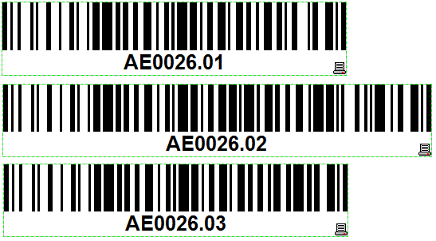
1 | 39406/20/1 | Entree | AE0026.01 | 9873 | ABR800T | 1000
2 | 39406/20/2 | Entree | AE0026.01 | 9873 | ABR800T | 1000
4 | 39406/20/3 | Entree | AE0026.02 | 9874 | ABR800T | 1000
5 | 39406/20/4 | Entree | AE0026.02 | 9874 | ABR800T | 1000
7 | 39406/20/5 | Entree | AE0026.03 | 9875 | ABR800T | 1000
8 | 39406/20/6 | Entree | AE0026.03 | 9875 | ABR800T | 1000
10 | 39406/20/7 | Entree | AE0026.03 | 9875 | ABR800T | 1000
 |  |  |  |  |  | 7000
3 | 39406/30/1 | Sortie | AE0026.01 | 9873 | ABR800T | 2000
6 | 39406/30/2 | Sortie | AE0026.02 | 9874 | ABR800T | 2000
9 | 39406/30/3 | Sortie | AE0026.03 | 9875 | ABR800T | 2000
11 | 39406/30/4 | Sortie | AE0026.03 | 9876 | ABR800T | 1000
 |  |  |  |  |  | 7000

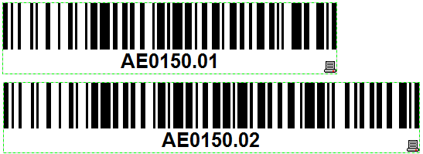
1 | 39406/30/1 | Entree | AE0150.01 | 9877 | ATMLOPIN | 2000
11 | 39406/30/2 | Entree | AE0150.01 | 9877 | ATMLOPIN | 2000
2 | 39406/30/3 | Entree | AE0150.02 | 9878 | ATMLOPIN | 2000
12 | 39406/30/4 | Entree | AE0150.02 | 9878 | ATMLOPIN | 1000
 |  |  |  |  |  | 7000
3 | 39406/40/1 | Sortie | AE0150.01 | 9877 | ATMLOPIN | 500
5 | 39406/40/2 | Sortie | AE0150.01 | 9877 | ATMLOPIN | 500
7 | 39406/40/3 | Sortie | AE0150.01 | 9877 | ATMLOPIN | 500
9 | 39406/40/4 | Sortie | AE0150.01 | 9877 | ATMLOPIN | 500
13 | 39406/40/5 | Sortie | AE0150.01 | 9877 | ATMLOPIN | 500
15 | 39406/40/6 | Sortie | AE0150.01 | 9877 | ATMLOPIN | 500
17 | 39406/40/7 | Sortie | AE0150.01 | 9877 | ATMLOPIN | 500
4 | 39406/40/8 | Sortie | AE0150.02 | 9878 | ATMLOPIN | 500
6 | 39406/40/9 | Sortie | AE0150.02 | 9878 | ATMLOPIN | 500
8 | 39406/40/10 | Sortie | AE0150.02 | 9878 | ATMLOPIN | 500
10 | 39406/40/11 | Sortie | AE0150.02 | 9878 | ATMLOPIN | 500
14 | 39406/40/12 | Sortie | AE0150.02 | 9878 | ATMLOPIN | 500
16 | 39406/40/13 | Sortie | AE0150.02 | 9878 | ATMLOPIN | 500
18 | 39406/40/14 | Sortie | AE0150.02 | 9878 | ATMLOPIN | 500
 |  |  |  |  |  | 7000

